1 - quantity_age
First Registrations of used Passenger Cars in Poland, 2024 - 2025 PZPM based on data from Centralna Ewidencja Pojazdow

 | Jan | Feb | Mar | Apr | May | Jun | Jul | Aug | Sep | Oct | Nov | Dec | Total
2024 | 66,186 | 72,408 | 77,918 | 79,087 | 72,082 | 71,814 | 79,987 | 72,310 | 74,241 | 84,992 | 66,966 | 64,519 | 882,510
2025 | 69,287 |  |  |  |  |  |  |  |  |  |  |  | 69,287
%change y/y | 4.7% |  |  |  |  |  |  |  |  |  |  |  | 4.7%
First Registrations of Used PC in Poland 2024 - 2025
 | 2024 | 2025
Jan | 66186 | 69287
Feb | 72408
Mar | 77918
Apr | 79087
May | 72082
Jun | 71814
Jul | 79987
Aug | 72310
Sep | 74241
Oct | 84992
Nov | 66966
Dec | 64519
 |  |  |  |  |  |  |  |  | Age Structure Jan 2025
 |  |  |  |  |  |  |  |  | Age | Number of vehicles | Share %
 |  |  |  |  |  |  |  |  | <=4 years | 92,111 | 10.4%
 |  |  |  |  |  |  |  |  | >4 years & <=10 years | 309,986 | 35.1%
 |  |  |  |  |  |  |  |  | >10 years | 480,413 | 54.4%
 |  |  |  |  |  |  |  |  | Total | 882,510 | 100.0%
First Registrations of Used Vehicles in year 2025 - age structure

source: PZPM based on CEP

2 - EURO_fuel
First Registrations of Used Passenger Cars by Fuel Type
 | First Registrations of Used Passenger Cars by Fuel Type
Fuel Type | January 2024 |  | January 2025 |  | Volume Change y/y | Market Share Change y/y
 | thousand units | share % | thousand units | share %
Petrol | 35,0 | 52.9% | 37,9 | 54.8% | 8.3% | +1,8 pp
Diesel | 27,3 | 41.3% | 26,3 | 37.9% | -3.9% | -3,4 pp
AFV / Others | 3,8 | 5.8% | 5,1 | 7.3% | 33.3% | +1,6 pp
including:
Electric | 0.366 | 0.6% | 0.534 | 0.8% | 45.9% | +0,2 pp
Hybrid | 2.254 | 3.4% | 3 | 4.3% | 33.1% | +0,9 pp
Hybrid Plug-In | 0.389 | 0.6% | 0.769 | 1.1% | 97.7% | +0,5 pp
LPG | 0.764 | 1.2% | 0.728 | 1.1% | -4.7% | -0,1 pp
CNG/LNG | 0.022 | 0.0% | 0.02 | 0.0% | -9.1% | +0,0 pp
Others / N.A. | 0.016 | 0.0% | 0.03 | 0.0% | 87.5% | +0,0 pp
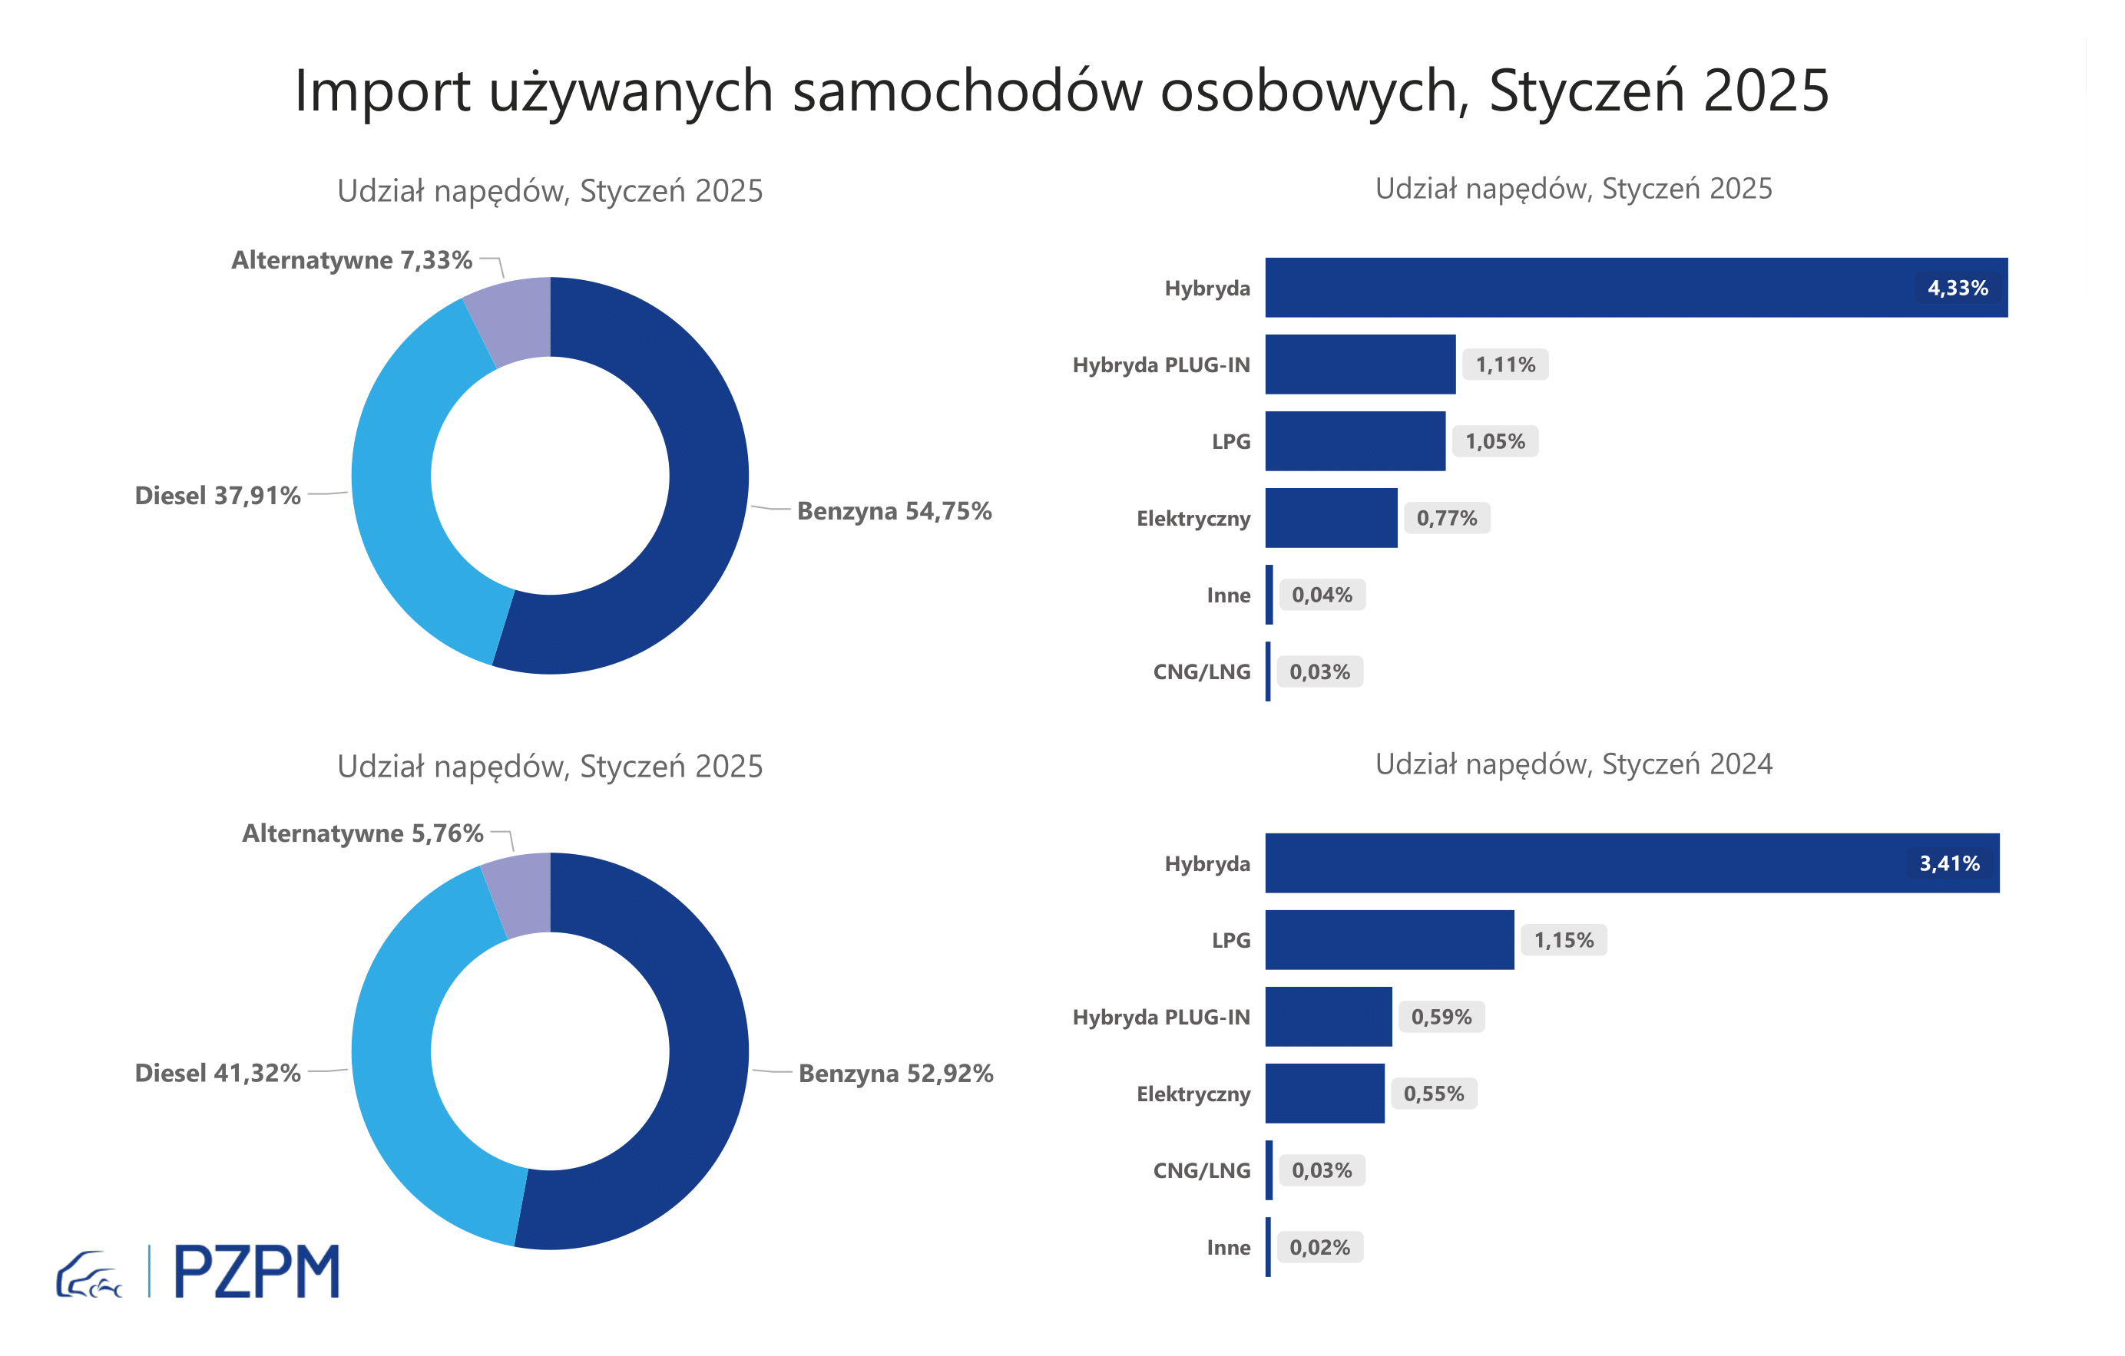

3 - TOP_brands
First registrations of used passenger cars in Poland*

No.** | Make | January 2025 | January 2024 | Change % r/r
1 | VOLKSWAGEN | 6821 | 6629 | 2.9%
2 | FORD | 6509 | 6335 | 2.7%
3 | OPEL | 6069 | 6035 | 0.6%
4 | AUDI | 5302 | 5675 | -6.6%
5 | BMW | 4322 | 4132 | 4.6%
6 | RENAULT | 2973 | 3207 | -7.3%
7 | PEUGEOT | 3138 | 3112 | 0.8%
8 | MERCEDES-BENZ | 3394 | 3028 | 12.1%
9 | HYUNDAI | 3086 | 2624 | 17.6%
10 | TOYOTA | 2681 | 2561 | 4.7%
* source: PZPM based on CEP
** based on registrations in 2025
First registrations - used passenger cars imported to Poland - TOP 10 in 2025

